Sheet1
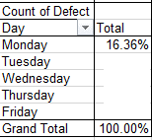
Defect ???? is most common, so we should begin by concentrating on it.
Operator ???? produces more defects than ???, but further analysis shows that this is probably because only he uses Machine ????, which appears to be the worst machine.
DAY ??? appears to lead to the most defects, particularly of type ????.
I would begin by analyzing what causes type ???? defects.
I would also carefully study Machine ???? and try to find out why we have problems on ???? day.
Operator | Machine | Day | Defect
A | 1 | Monday | 1 | Day | Total
A | 1 | Monday | 1 | Monday | 16.40%
A | 1 | Monday | 1 | Tuesday | 18.28%
A | 1 | Monday | 1 | Wednesday | 29.30%
A | 1 | Monday | 2 | Thursday | 16.40%
A | 1 | Monday | 2 | Friday | 19.62%
A | 1 | Monday | 3 | Grand Total | 100.00%
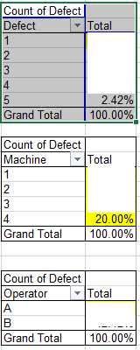
A | 1 | Monday | 3
A | 1 | Monday | 4
A | 1 | Monday | 4 | Defect | Toatal
A | 1 | Monday | 5 | 1 | 39.39%
A | 1 | Tuesday | 1 | 2 | 26.06%
A | 1 | Tuesday | 1 | 3 | 19.39%
A | 1 | Tuesday | 1 | 4 | 12.73%
A | 1 | Tuesday | 1 | 5 | 2.42%
A | 1 | Tuesday | 1 | Grand Total | 100.00%
A | 1 | Tuesday | 2
A | 1 | Tuesday | 3 | Machine | Total
A | 1 | Tuesday | 3 | 1 | 37.89%
A | 1 | Tuesday | 3 | 2 | 20.51%
A | 1 | Tuesday | 4 | 3 | 21.37%
A | 1 | Wednesday | 1 | 4 | 20.23%
A | 1 | Wednesday | 1 | Grand Total | 100.00%
A | 1 | Wednesday | 1
A | 1 | Wednesday | 1 | Row Labels | Total
A | 1 | Wednesday | 1 | A | 34.68%
A | 1 | Wednesday | 2 | B | 65.32%
A | 1 | Wednesday | 2 | Grand Total | 100.00%
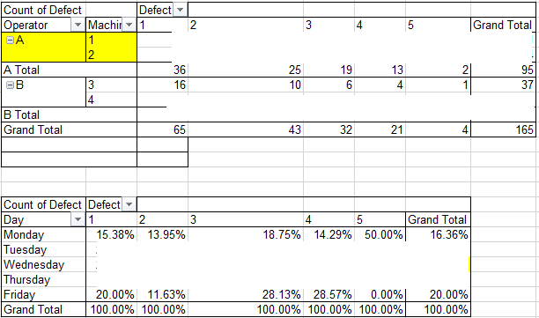
A | 1 | Wednesday | 2
A | 1 | Wednesday | 2 | Count of Defect |  | Column Labels
A | 1 | Wednesday | 2 | Row Labels | Machine | 1 | 2 | 3 | 4 | 5 | Grand Total
A | 1 | Wednesday | 4 | A | 1 | 24 | 14 | 12 | 10 | 1 | 61
A | 1 | Wednesday | 4 |  | 2 | 12 | 11 | 7 | 3 | 1 | 34
A | 1 | Wednesday | 4 | A Total |  | 36 | 25 | 19 | 13 | 2 | 95
A | 1 | Wednesday | 4 | B | 3 | 16 | 10 | 6 | 4 | 1 | 37
A | 1 | Wednesday | 2 |  | 4 | 13 | 8 | 7 | 4 | 1 | 33
A | 1 | Wednesday | 2 | B Total |  | 29 | 18 | 13 | 8 | 2 | 70
A | 1 | Wednesday | 1 | Grand Total |  | 65 | 43 | 32 | 21 | 4 | 165
A | 1 | Thursday | 1
A | 1 | Thursday | 1
A | 1 | Thursday | 1 | Count of Defect | Column Labels
A | 1 | Thursday | 1 | Row Labels | 1 | 2 | 3 | 4 | 5 | Grand Total
A | 1 | Thursday | 2 | Monday | 6.06% | 3.64% | 3.64% | 1.82% | 1.21% | 16.36%
A | 1 | Thursday | 3 | Tuesday | 9.09% | 3.03% | 4.24% | 1.21% | 0.61% | 18.18%
A | 1 | Thursday | 3 | Wednesday | 9.09% | 12.73% | 3.03% | 4.24% | 0.00% | 29.09%
A | 1 | Thursday | 3 | Thursday | 7.27% | 3.64% | 3.03% | 1.82% | 0.61% | 16.36%
A | 1 | Thursday | 2 | Friday | 7.88% | 3.03% | 5.45% | 3.64% | 0.00% | 20.00%
A | 1 | Thursday | 2 | Grand Total | 39.39% | 26.06% | 19.39% | 12.73% | 2.42% | 100.00%
A | 1 | Friday | 1
A | 1 | Friday | 1
A | 1 | Friday | 1
A | 1 | Friday | 1
A | 1 | Friday | 1
A | 1 | Friday | 2
A | 1 | Friday | 3
A | 1 | Friday | 3
A | 1 | Friday | 3
A | 1 | Friday | 3
A | 1 | Friday | 4
A | 1 | Friday | 4
A | 1 | Friday | 4
A | 2 | Monday | 1
A | 2 | Monday | 1
A | 2 | Monday | 2
A | 2 | Monday | 3
A | 2 | Tuesday | 1
A | 2 | Tuesday | 1
A | 2 | Tuesday | 1
A | 2 | Tuesday | 2
A | 2 | Tuesday | 2
A | 2 | Tuesday | 3
A | 2 | Tuesday | 3
A | 2 | Tuesday | 5
A | 2 | Wednesday | 1
A | 2 | Wednesday | 1
A | 2 | Wednesday | 1
A | 2 | Wednesday | 2
A | 2 | Wednesday | 2
A | 2 | Wednesday | 2
A | 2 | Wednesday | 2
A | 2 | Wednesday | 2
A | 2 | Wednesday | 3
A | 2 | Wednesday | 3
A | 2 | Wednesday | 4
A | 2 | Thursday | 1
A | 2 | Thursday | 1
A | 2 | Thursday | 2
A | 2 | Thursday | 3
A | 2 | Thursday | 4
A | 2 | Friday | 1
A | 2 | Friday | 1
A | 2 | Friday | 2
A | 2 | Friday | 2
A | 2 | Friday | 3
A | 2 | Friday | 4
B | 3 | Monday | 1
B | 3 | Monday | 1
B | 3 | Monday | 2
B | 3 | Monday | 2
B | 3 | Monday | 3
B | 3 | Monday | 4
B | 3 | Tuesday | 1
B | 3 | Tuesday | 1
B | 3 | Tuesday | 1
B | 3 | Tuesday | 1
B | 3 | Tuesday | 2
B | 3 | Tuesday | 3
B | 3 | Wednesday | 1
B | 3 | Wednesday | 1
B | 3 | Wednesday | 1
B | 3 | Wednesday | 2
B | 3 | Wednesday | 2
B | 3 | Wednesday | 2
B | 3 | Wednesday | 2
B | 3 | Wednesday | 2
B | 3 | Wednesday | 3
B | 3 | Wednesday | 4
B | 3 | Thursday | 1
B | 3 | Thursday | 1
B | 3 | Thursday | 1
B | 3 | Thursday | 2
B | 3 | Thursday | 3
B | 3 | Thursday | 4
B | 3 | Thursday | 5
B | 3 | Friday | 1
B | 3 | Friday | 1
B | 3 | Friday | 1
B | 3 | Friday | 1
B | 3 | Friday | 2
B | 3 | Friday | 3
B | 3 | Friday | 3
B | 3 | Friday | 4
B | 4 | Monday | 1
B | 4 | Monday | 1
B | 4 | Monday | 2
B | 4 | Monday | 3
B | 4 | Monday | 3
B | 4 | Monday | 5
B | 4 | Tuesday | 1
B | 4 | Tuesday | 1
B | 4 | Tuesday | 1
B | 4 | Tuesday | 2
B | 4 | Tuesday | 3
B | 4 | Tuesday | 4
B | 4 | Wednesday | 1
B | 4 | Wednesday | 1
B | 4 | Wednesday | 1
B | 4 | Wednesday | 2
B | 4 | Wednesday | 2
B | 4 | Wednesday | 2
B | 4 | Wednesday | 2
B | 4 | Wednesday | 3
B | 4 | Wednesday | 3
B | 4 | Wednesday | 4
B | 4 | Thursday | 1
B | 4 | Thursday | 1
B | 4 | Thursday | 1
B | 4 | Thursday | 2
B | 4 | Thursday | 4
B | 4 | Friday | 1
B | 4 | Friday | 1
B | 4 | Friday | 2
B | 4 | Friday | 3
B | 4 | Friday | 3
B | 4 | Friday | 4

